RSAs
KEYNOTES WHILE WORKING ON THE RSAs DATA VALIDATION: | Work is in Progress ---->>>> 1) Remaining with conditional formatting --> 2) Need to add the dynamic code to data vlookup for the headline and description columns --> As mentioned in notes need to check the column Position in ATP. 3) Need to work on number formatting --> Facing issues when the number is stored as text in Bulksheet or ATP throws #N/A. (But if we manually change the format then the code works fine)

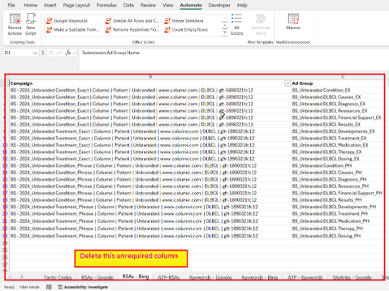
1) Rename the ATP tab as "ATP - RSAs"
2) If two columns are present with the same name like "Campaign" or "Ad Group" you need to Remove the unnecessary column in the RSAs Tab (Both if present in Google/Bing) -:Refer to the below screenshot: |  | Strikthrough is in done status.

5) While working check in the ATP File -->> Campaign data is present in Column "A" Ad Group data present in Column "B" Headline Option in Column "C" Headline Position in Column "E" Description in Column "F" Description Position in Column "H" Concatenation of "Concatenate Campaign/Ad Group/Headline/Headline Position" in Column "N" Concatenation of "Concatenate Description/Description Position in Column "O" | Working on Solutions --->>> 1) Stage 2 ---->>> Hardcoded the Headline headers -->>> If the headline column present in the workbook is less than >15 columns then the code still adds 15 vlookup and concatenation columns. (Module-20 WIP) 2) Stage 2 ---->>> Currently the cells are hardcoded for vlookup and concatenation but working to dynamic code so that it can directly refer to data present under the column header defined in the arrays. (For ATP) (Same module - array search for possible headers) 3) Stage 3 ---->>> For Number Formating ---->>> Can try with the "Range.Formula2 property" | Range.Formula2 property
6) While executing -->> Execute all the scripts in numeric order.
 | Note 5 --> One solution can be to delete the excessive data in the ATP and arrange it all side by side.
RSAs

Structure Snippets
The Column on which validation needs to be done their headers should starts with Index 1. (Customize this as per that, can refer to below screenshot)

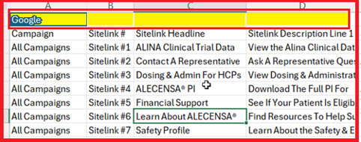 | DO THIS-------->>> | 